OPLCalculation
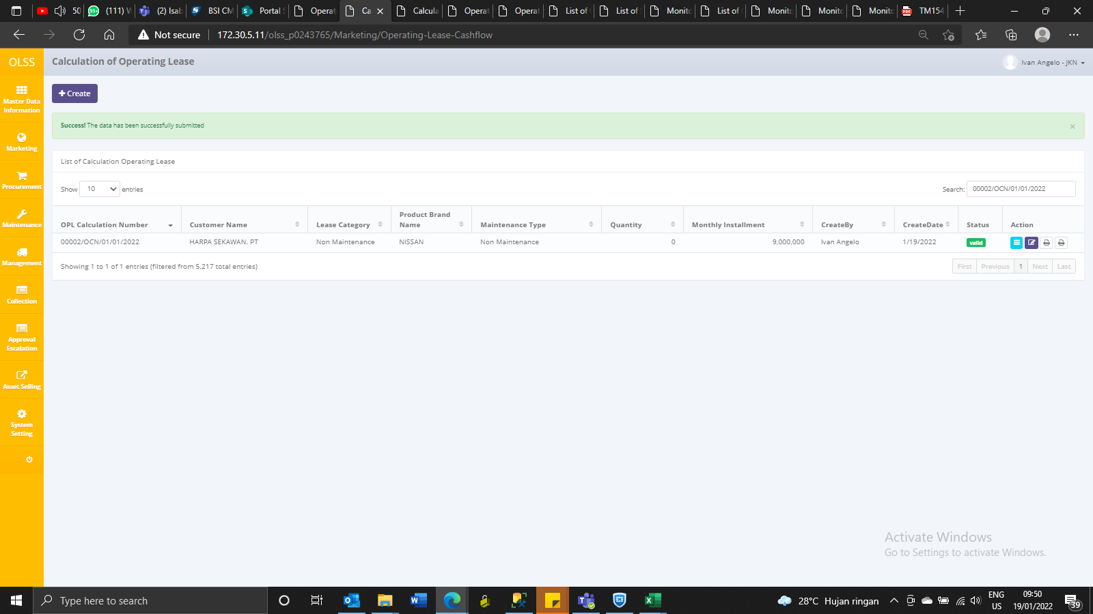
Create

IdOPLCalculation | OPLCalculationNumber | ProductCode | CustomerCode | LeaseCategory | ContractNumberReff | Usage | StartPeriodPlan | EndPeriodPlan | LeasePeriodPlan | MonthlyMileage | NumberPlatColor | MaintenanceType | PurchaseAfterLease | Insurance | STNKRenewal | KEURRenewal | CarroserrieIsExist | Carroserrie | CarroserrieType | AccessoriesIsExist | Accessories | AccessoriesType | IsNewUnit | BASTHAndoverSchedule | SecurityDepositPayment | SecurityDepositAmount | FirstLeasePayment | TotalUnitQuantityLease | SpecialCaseRemarks | Ratio | InterestExpense | InterestExpenseBAST | InterestExpenseVAT | InterestExpenseTAX | TotalCost | MonthlyInstallmentAmount | InterestRatePercent | Spread | TotalIncome | InsuranceCommisionAmount | TotalIncomeAfterCost | Remarks | IsValid | IsDraft | IsSubmitted | IsDeleted | CreateDate | CreateBy | LastModified | LastModifiedBy | Status | IdProduct | IdCustomer | CRVATInMaintenance | CRVATInUnit | CRVATInCarroserries | CRVATInAccessories | CRIRRWithoutCompVATIn | CRIRRWithCompVATIn | PurchaseDate | CalculationType | OverdueInstallment | OverdueInstallmentCalc | OverduePenalty | OverduePenaltyCalc | OverdueActualMaintenance | OverdueActualMaintenanceCalc | OverdueBackCharge | OverdueBackChargeCalc | UnitReconditionFee | UnitReconditionFeeCalc | PrevMaintenanceType | TotalInstallment | SumMaintenanceCost | InterestCostTop | TotalVatInCannotCompByVatOut | ProductPurchasePrice | TotalMobilizationFeeAmount | TotalDemobilizationFeeAmount | MonthlyInstallmentVATAmount | MonthlyInstallmentTAXAmount | SetDraftBy | SetDraftDate | RegistrationFeeBy | IsNewCalculation
6014 | 00002/OCN/01/01/2022 | VEH/00012/V-013/20CVTA/201801 | 1739 | 95 | NULL | 99 | 2022-01-19 00:00:00 | 2024-01-19 00:00:00 | 24 | NULL | 101 | 94 | 0 | 1 | NULL | NULL | 0 | NULL | NULL | 0 | NULL | NULL | NULL | NULL | 0 | 0 | 0 | 0 | NULL | 0 | 20345010.632 | 0 | 1668272.9589 | -25102.784363 | 270429997.23 | 9000000 | NULL | NULL | 300194140 | 3161140 | 29764142.767 | 6 | 0 | 0 | 1 | 0 | 2022-01-19 09:09:52 | Ivan Angelo | 2022-01-19 09:19:17 | Ivan Angelo | 1 | NULL | NULL | 0 | 22000000 | NULL | NULL | 21.388875 | 23.131168 | NULL | 167 | NULL | NULL | NULL | NULL | NULL | NULL | NULL | NULL | NULL | NULL | NULL | 217173000 | 0 | 2640426.6 | 0 | 220000000 | 0 | 0 | 69511.373269 | -1045.949326 | NULL | NULL | DSF | 1

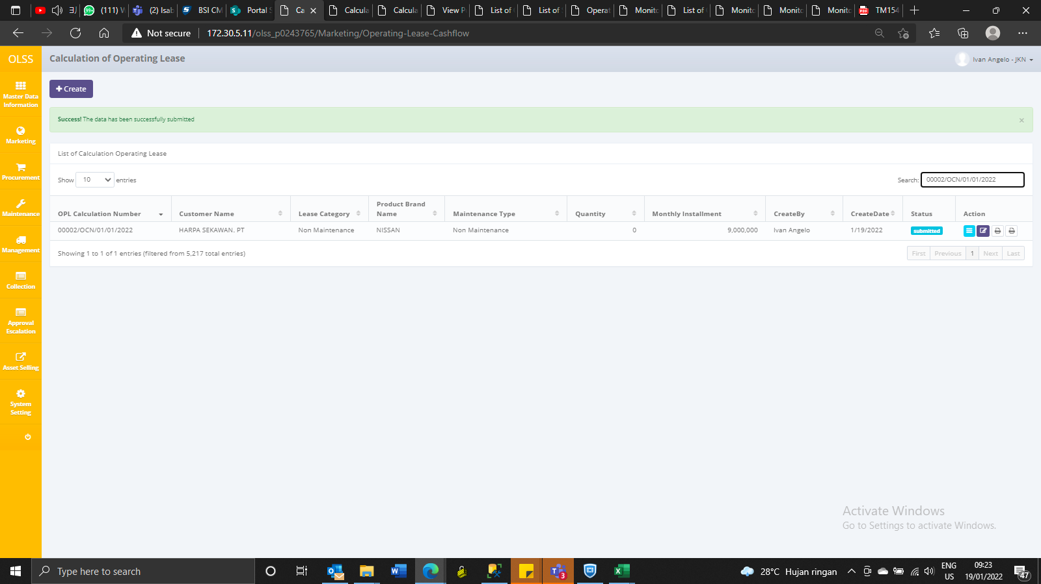

AFTER QUOTATION VALIDATE

IdOPLCalculation | OPLCalculationNumber | ProductCode | CustomerCode | LeaseCategory | ContractNumberReff | Usage | StartPeriodPlan | EndPeriodPlan | LeasePeriodPlan | MonthlyMileage | NumberPlatColor | MaintenanceType | PurchaseAfterLease | Insurance | STNKRenewal | KEURRenewal | CarroserrieIsExist | Carroserrie | CarroserrieType | AccessoriesIsExist | Accessories | AccessoriesType | IsNewUnit | BASTHAndoverSchedule | SecurityDepositPayment | SecurityDepositAmount | FirstLeasePayment | TotalUnitQuantityLease | SpecialCaseRemarks | Ratio | InterestExpense | InterestExpenseBAST | InterestExpenseVAT | InterestExpenseTAX | TotalCost | MonthlyInstallmentAmount | InterestRatePercent | Spread | TotalIncome | InsuranceCommisionAmount | TotalIncomeAfterCost | Remarks | IsValid | IsDraft | IsSubmitted | IsDeleted | CreateDate | CreateBy | LastModified | LastModifiedBy | Status | IdProduct | IdCustomer | CRVATInMaintenance | CRVATInUnit | CRVATInCarroserries | CRVATInAccessories | CRIRRWithoutCompVATIn | CRIRRWithCompVATIn | PurchaseDate | CalculationType | OverdueInstallment | OverdueInstallmentCalc | OverduePenalty | OverduePenaltyCalc | OverdueActualMaintenance | OverdueActualMaintenanceCalc | OverdueBackCharge | OverdueBackChargeCalc | UnitReconditionFee | UnitReconditionFeeCalc | PrevMaintenanceType | TotalInstallment | SumMaintenanceCost | InterestCostTop | TotalVatInCannotCompByVatOut | ProductPurchasePrice | TotalMobilizationFeeAmount | TotalDemobilizationFeeAmount | MonthlyInstallmentVATAmount | MonthlyInstallmentTAXAmount | SetDraftBy | SetDraftDate | RegistrationFeeBy | IsNewCalculation
6014 | 00002/OCN/01/01/2022 | VEH/00012/V-013/20CVTA/201801 | 1739 | 95 | NULL | 99 | 2022-01-19 00:00:00 | 2024-01-19 00:00:00 | 24 | NULL | 101 | 94 | 0 | 1 | NULL | NULL | 0 | NULL | NULL | 0 | NULL | NULL | NULL | NULL | 0 | 0 | 0 | 0 | NULL | 0 | 20345010.632 | 0 | 1668272.9589 | -25102.784363 | 270429997.23 | 9000000 | NULL | NULL | 300194140 | 3161140 | 29764142.767 | 6 | 1 | 0 | 0 | 0 | 2022-01-19 09:09:52 | Ivan Angelo | 2022-01-19 09:19:17 | Ivan Angelo | 1 | NULL | NULL | 0 | 22000000 | NULL | NULL | 21.388875 | 23.131168 | NULL | 167 | NULL | NULL | NULL | NULL | NULL | NULL | NULL | NULL | NULL | NULL | NULL | 217173000 | 0 | 2640426.6 | 0 | 220000000 | 0 | 0 | 69511.373269 | -1045.949326 | NULL | NULL | DSF | 1

OPLQuotation
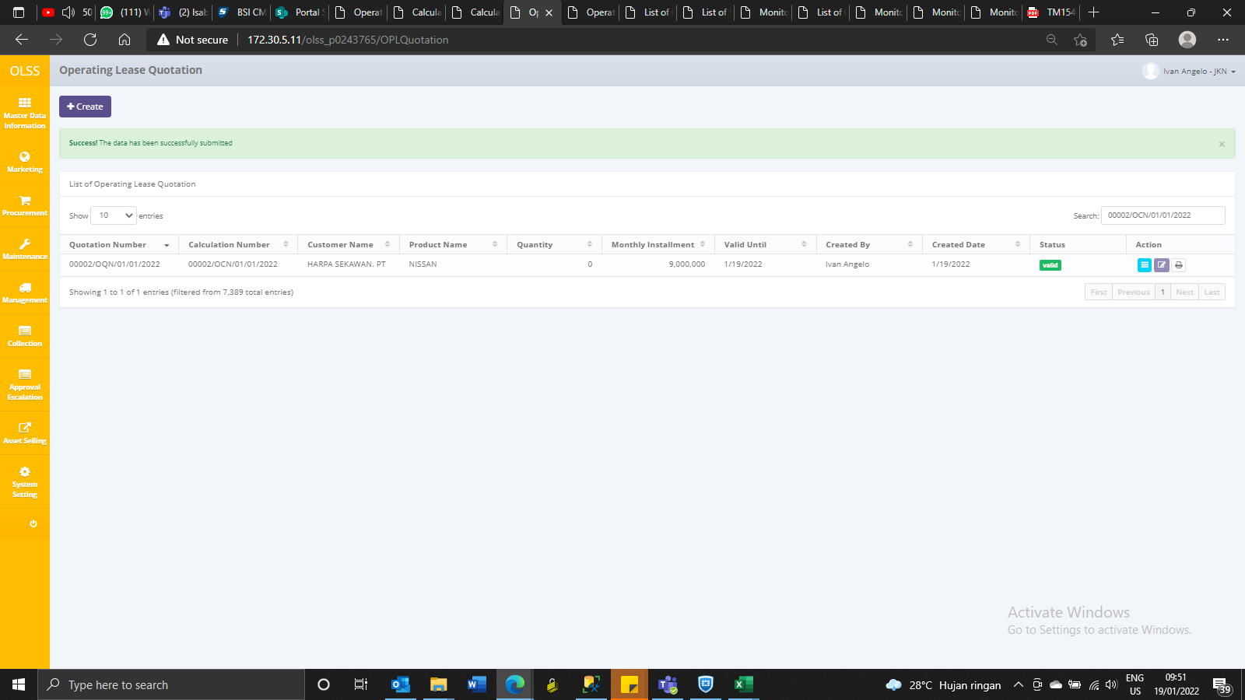
OPLQuotation
IdOPLQuotation | OPLCalculationNumber | OPLProposalNumber | OPLQuotationNumber | OPLQuotationDate | Validuntil | ExpectedDeliveryDate | DeliveryPlace | DownPayment | PrepaidMonthsRent | Payment | Tax | AdditionalItems | Remarks | IsValid | IsDraft | IsSubmitted | IsDeleted | CreateDate | CreateBy | LastModified | LastModifiedBy | IdOPLCalculation | IsRegMtn | IsSparePart | IsOilChange | IsRepBatt | IsRepTire | IsCustService | MtnOther1 | MtnOther2 | AddEtc
3890 | 00002/OCN/01/01/2022 | 00002/OPN/01/01/2022 | 00002/OQN/01/01/2022 | 2022-01-19 00:00:00 | 2022-01-19 00:00:00 | 2022-01-19 00:00:00 | NULL | 0 | NULL | NULL | NULL | NULL | NULL | 0 | 0 | 1 | 0 | 2022-01-19 09:45:14 | Ivan Angelo | NULL | NULL | NULL | 0 | 0 | 0 | 0 | 0 | 0 | NULL | NULL | NULL

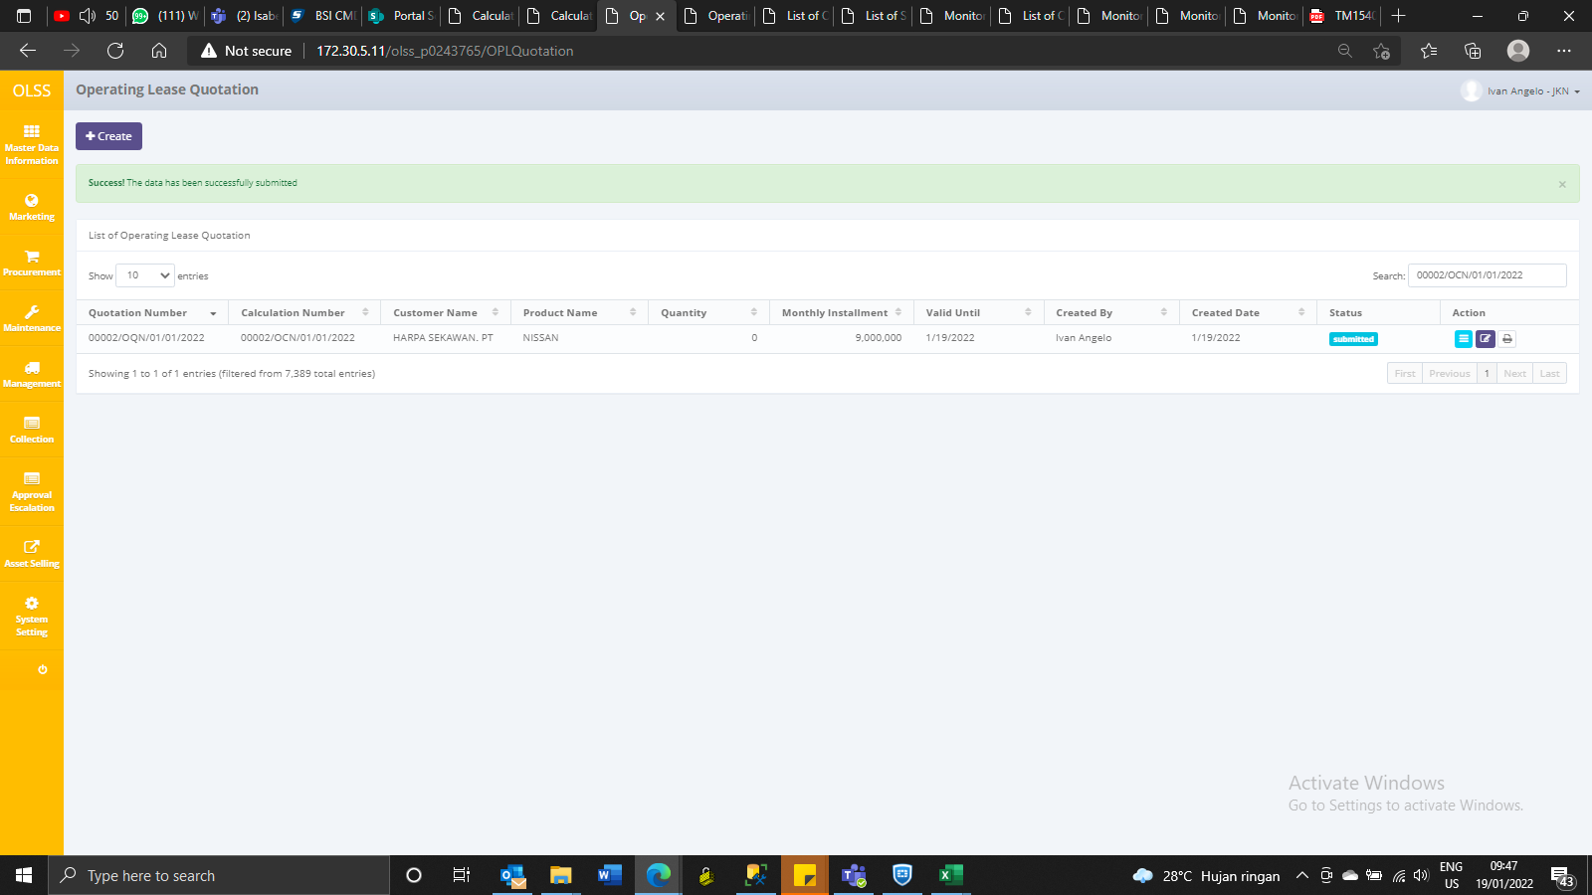

AFTER VALIDATE
IdOPLQuotation | OPLCalculationNumber | OPLProposalNumber | OPLQuotationNumber | OPLQuotationDate | Validuntil | ExpectedDeliveryDate | DeliveryPlace | DownPayment | PrepaidMonthsRent | Payment | Tax | AdditionalItems | Remarks | IsValid | IsDraft | IsSubmitted | IsDeleted | CreateDate | CreateBy | LastModified | LastModifiedBy | IdOPLCalculation | IsRegMtn | IsSparePart | IsOilChange | IsRepBatt | IsRepTire | IsCustService | MtnOther1 | MtnOther2 | AddEtc
3890 | 00002/OCN/01/01/2022 | 00002/OPN/01/01/2022 | 00002/OQN/01/01/2022 | 2022-01-19 00:00:00 | 2022-01-19 00:00:00 | 2022-01-19 00:00:00 | NULL | 0 | NULL | NULL | NULL | NULL | NULL | 1 | 0 | 0 | 0 | 2022-01-19 09:45:14 | Ivan Angelo | 2022-01-19 09:48:41 | Herni Hembang | NULL | 0 | 0 | 0 | 0 | 0 | 0 | NULL | NULL | NULL

SKD
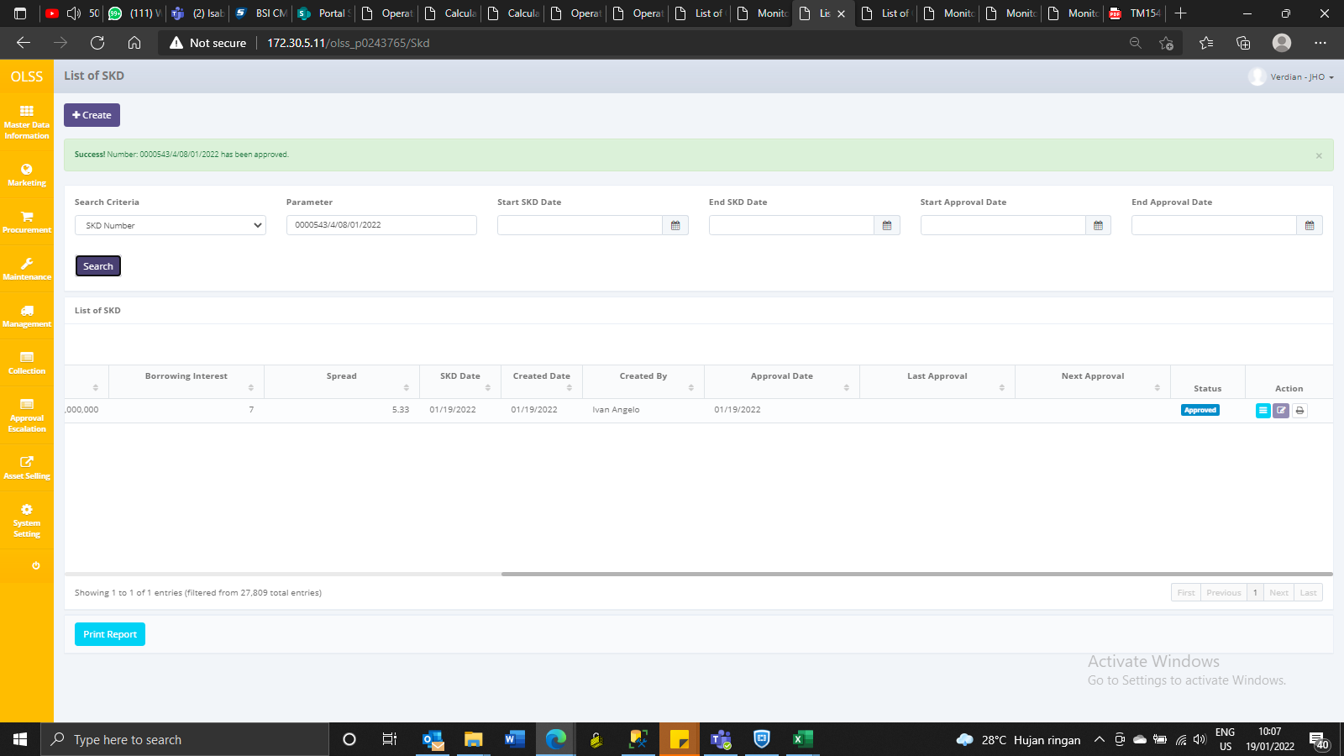
CREATE
IdTb_MKT_SKD | IdTb_OPL_Status | SupplierMaintenance | IdOPLQuotation | IdTb_OPL_Branch | SKDNo | SKDDate | PaymentMode | TotalPrice | TotalRv | TotalNet | Notes | Remarks | IsDelete | RemarksSys | TaskId | RowVersion | CreatedBy | CreatedDate | LastModifiedBy | LastModifiedDate | IsPPH | ApproveDate
2652 | 2 | NULL | 3890 | 9 | 0000543/4/08/01/2022 | 2022-01-19 00:00:00 | 154 | 4451672818 | 1545498000 | 2906174818 | INI TEST |  | 0 | - | E255F247-588E-4CF9-A2EE-5111492FDE4A | 0x0000000002823E24 | Ivan Angelo | 2022-01-19 09:57:35 | NULL | NULL | 1 | NULL



AFTER CHECKED SKD

IdTb_MKT_SKD | IdTb_OPL_Status | SupplierMaintenance | IdOPLQuotation | IdTb_OPL_Branch | SKDNo | SKDDate | PaymentMode | TotalPrice | TotalRv | TotalNet | Notes | Remarks | IsDelete | RemarksSys | TaskId | RowVersion | CreatedBy | CreatedDate | LastModifiedBy | LastModifiedDate | IsPPH | ApproveDate
2652 | 16 | NULL | 3890 | 9 | 0000543/4/08/01/2022 | 2022-01-19 00:00:00 | 154 | 4451672818 | 1545498000 | 2906174818 | INI TEST | NULL | 0 | - | E255F247-588E-4CF9-A2EE-5111492FDE4A | 0x0000000002823E25 | Ivan Angelo | 2022-01-19 09:57:35 | Herni Hembang | 2022-01-19 10:04:41 | 1 | 2022-01-19 00:00:00



AFTER APPROVED

IdTb_MKT_SKD | IdTb_OPL_Status | SupplierMaintenance | IdOPLQuotation | IdTb_OPL_Branch | SKDNo | SKDDate | PaymentMode | TotalPrice | TotalRv | TotalNet | Notes | Remarks | IsDelete | RemarksSys | TaskId | RowVersion | CreatedBy | CreatedDate | LastModifiedBy | LastModifiedDate | IsPPH | ApproveDate
2652 | 3 | NULL | 3890 | 9 | 0000543/4/08/01/2022 | 2022-01-19 00:00:00 | 154 | 4451672818 | 1545498000 | 2906174818 | INI TEST | NULL | 0 | - | E255F247-588E-4CF9-A2EE-5111492FDE4A | 0x0000000002823E26 | Ivan Angelo | 2022-01-19 09:57:35 | Verdian | 2022-01-19 10:07:12 | 1 | 2022-01-19 00:00:00

AGREEMENT
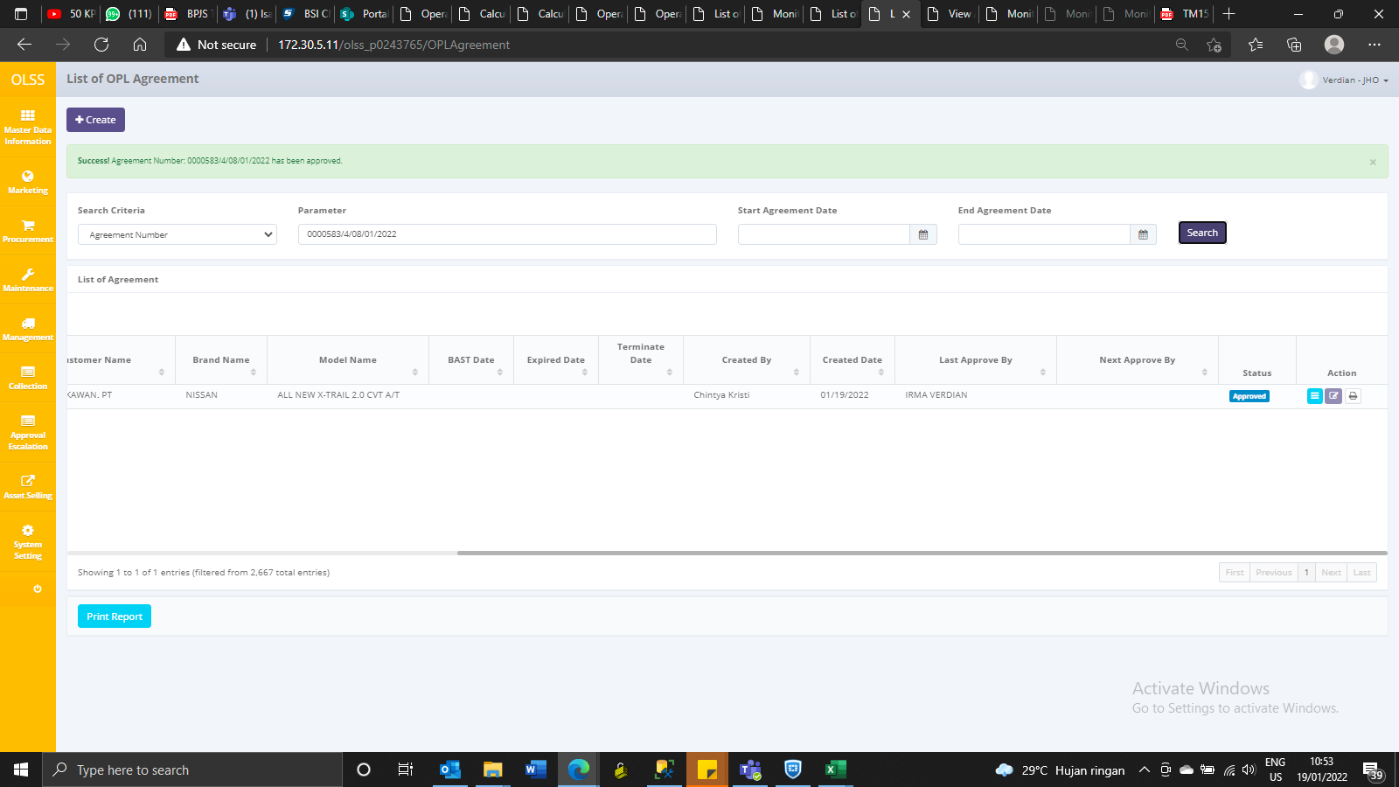
CREATE |  | 0000583/4/08/01/2022
IdOPLAgreement | IdTb_OPL_Status | IdTb_OPL_Employee | IdTb_MKT_SKD | IdTb_OPL_Branch | TaskId | OPLCalculationNumber | OPLQuotationNumber | SKDNo | CustomerCode | AgreementNumberReff | AgreementNumber | AgreementDate | StartPeriodDate | EndPeriodDate | TerminateDate | LeaseCategory | IsInsurance | PurchaseAfterLease | PaymentTransactionType | FDueDateUsage | FDDatePayment | TermOfPayment | DepositPaymentDate | DepositReturnDate | DepositAmount | NumberOfPayments | TotalMonthlyInstallment | TotalUnitQuantity | IssueInvoiceDate | InterestOfPenalty | ProductCode | MaintenanceType | MonthlyMileageContract | RegularMaintenanceMileage | OilExchangeMileage | LubricantsFatMileage | BateryChangeMileage | TireChangeMileage | CSDMaintenance | GeneralFailureMaintenance | STNKRenewal | STNKRenewalDate | KEURRenewal | KEURRenewalDate | BreakDawnContract | BreakDawnRemarks | ReplacementUnit | ReplacementUnitRemarks | MonthlyInstallmentAmount | BASTDate | Remarks | DsfRprName | DsfRprPosition | CustRprName | CustRprPosition | LesseeAddress1 | LesseeAddress2 | LesseeAddress3 | LesseCity | LesseeZipcode | LesseeTelephone | LesseFax | LesseeEmail | LesseUp | LessorAddress1 | LessorAddress2 | LessorAddress3 | LessorCity | LessorZipcode | LessorTelephone | LessorFax | LessorEmail | LessorUp | HandoverLocAddress | HandoverLocCity | HandoverLocZipCode | UnitReturnLocAddress | UnitReturnLocCity | UnitReturnLocZipCode | InsuranceClaimAmount | Usage | IsDelete | RemarksSys | RowVersion | CreatedBy | CreatedDate | LastModifiedBy | LastModifiedDate | SendToStaging | AdditionalReportClause | ReportAttachmentName | ReportAttachmentFile
2691 | 2 | 111 | 2652 | 9 | 1B15A289-3A86-4732-9B96-E43EA8C626A4 | 00002/OCN/01/01/2022 | 00002/OQN/01/01/2022 | 0000543/4/08/01/2022 | 1739 | NULL | 0000583/4/08/01/2022 | 2022-01-19 00:00:00 | NULL | NULL | NULL | 95 | 1 | 0 | 154 | NULL | NULL | 60 | NULL | NULL | NULL | 24 | 9000000 | 1 | NULL | 0.25 | VEH/00012/V-013/20CVTA/201801 | 94 | NULL | NULL | NULL | NULL | NULL | NULL | NULL | 0 | 1 | NULL | 0 | NULL | 0 | NULL | 0 | NULL | 9000000 | NULL | NULL | SUWARDI GUNAWAN | Marketing Director | ANDY SUSETYA | DIREKTUR | JL.CIPINANG MUARA NO.47. RT.014 RW.03 CIPINANG MUARA, JATINEGARA, JAKARTA TIMUR, DKI JAKARTA 13420 INDONESIA | NULL | NULL | JAKARTA | NULL | 123456789 | 123124 | cccc@gmail.com | Pak Ardi | Sentral Senayan II, Lt.3 | Jl. Asia Afrika No.8 | Jakarta 10270 | JAKARTA | NULL | 021 57954100 | 021 57954073 | bbbb@gmail.com | IVAN | JL.CIPINANG MUARA NO.47. RT.014 RW.03 CIPINANG MUARA, JATINEGARA, JAKARTA TIMUR, DKI JAKARTA 13420 | jakarta | 13420 | JL.CIPINANG MUARA NO.47. RT.014 RW.03 CIPINANG MUARA, JATINEGARA, JAKARTA TIMUR, DKI JAKARTA 13420 | JAKARTA | 13420 | 400000 | 99 | 0 | NULL | 0x0000000002823E27 | Chintya Kristi | 2022-01-19 10:22:37 | NULL | NULL | 0 | 0 | NULL | NULL

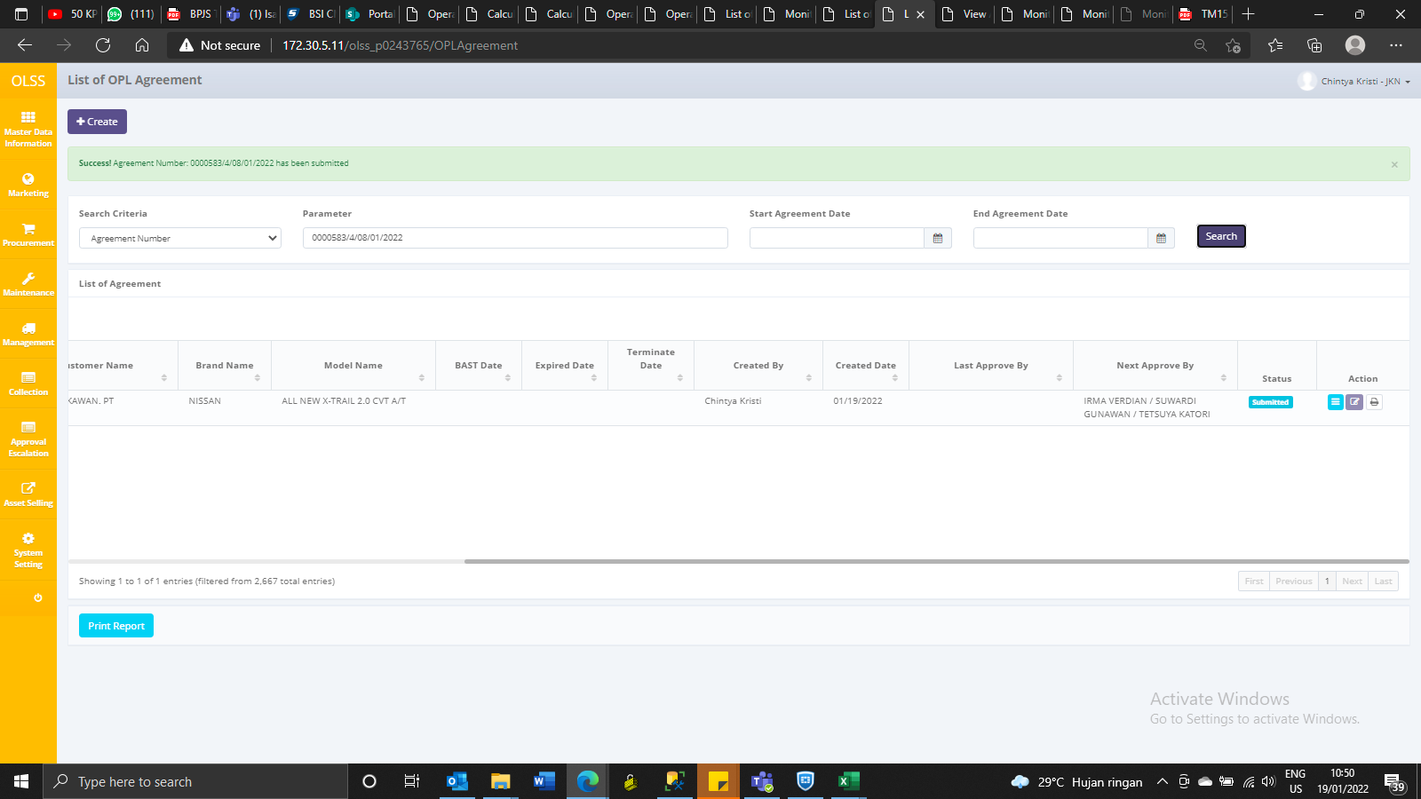

AFTER APPROVED
IdOPLAgreement | IdTb_OPL_Status | IdTb_OPL_Employee | IdTb_MKT_SKD | IdTb_OPL_Branch | TaskId | OPLCalculationNumber | OPLQuotationNumber | SKDNo | CustomerCode | AgreementNumberReff | AgreementNumber | AgreementDate | StartPeriodDate | EndPeriodDate | TerminateDate | LeaseCategory | IsInsurance | PurchaseAfterLease | PaymentTransactionType | FDueDateUsage | FDDatePayment | TermOfPayment | DepositPaymentDate | DepositReturnDate | DepositAmount | NumberOfPayments | TotalMonthlyInstallment | TotalUnitQuantity | IssueInvoiceDate | InterestOfPenalty | ProductCode | MaintenanceType | MonthlyMileageContract | RegularMaintenanceMileage | OilExchangeMileage | LubricantsFatMileage | BateryChangeMileage | TireChangeMileage | CSDMaintenance | GeneralFailureMaintenance | STNKRenewal | STNKRenewalDate | KEURRenewal | KEURRenewalDate | BreakDawnContract | BreakDawnRemarks | ReplacementUnit | ReplacementUnitRemarks | MonthlyInstallmentAmount | BASTDate | Remarks | DsfRprName | DsfRprPosition | CustRprName | CustRprPosition | LesseeAddress1 | LesseeAddress2 | LesseeAddress3 | LesseCity | LesseeZipcode | LesseeTelephone | LesseFax | LesseeEmail | LesseUp | LessorAddress1 | LessorAddress2 | LessorAddress3 | LessorCity | LessorZipcode | LessorTelephone | LessorFax | LessorEmail | LessorUp | HandoverLocAddress | HandoverLocCity | HandoverLocZipCode | UnitReturnLocAddress | UnitReturnLocCity | UnitReturnLocZipCode | InsuranceClaimAmount | Usage | IsDelete | RemarksSys | RowVersion | CreatedBy | CreatedDate | LastModifiedBy | LastModifiedDate | SendToStaging | AdditionalReportClause | ReportAttachmentName | ReportAttachmentFile
2691 | 3 | 111 | 2652 | 9 | 1B15A289-3A86-4732-9B96-E43EA8C626A4 | 00002/OCN/01/01/2022 | 00002/OQN/01/01/2022 | 0000543/4/08/01/2022 | 1739 | NULL | 0000583/4/08/01/2022 | 2022-01-19 00:00:00 | NULL | NULL | NULL | 95 | 1 | 0 | 154 | NULL | NULL | 60 | NULL | NULL | NULL | 24 | 9000000 | 1 | NULL | 0.25 | VEH/00012/V-013/20CVTA/201801 | 94 | NULL | NULL | NULL | NULL | NULL | NULL | NULL | 0 | 1 | NULL | 0 | NULL | 0 | NULL | 0 | NULL | 9000000 | NULL | NULL | SUWARDI GUNAWAN | Marketing Director | ANDY SUSETYA | DIREKTUR | JL.CIPINANG MUARA NO.47. RT.014 RW.03 CIPINANG MUARA, JATINEGARA, JAKARTA TIMUR, DKI JAKARTA 13420 INDONESIA | NULL | NULL | JAKARTA | NULL | 123456789 | 123124 | cccc@gmail.com | Pak Ardi | Sentral Senayan II, Lt.3 | Jl. Asia Afrika No.8 | Jakarta 10270 | JAKARTA | NULL | 021 57954100 | 021 57954073 | bbbb@gmail.com | IVAN | JL.CIPINANG MUARA NO.47. RT.014 RW.03 CIPINANG MUARA, JATINEGARA, JAKARTA TIMUR, DKI JAKARTA 13420 | jakarta | 13420 | JL.CIPINANG MUARA NO.47. RT.014 RW.03 CIPINANG MUARA, JATINEGARA, JAKARTA TIMUR, DKI JAKARTA 13420 | JAKARTA | 13420 | 400000 | 99 | 0 | NULL | 0x0000000002823E29 | Chintya Kristi | 2022-01-19 10:22:37 | Verdian | 2022-01-19 10:52:40 | 0 | 0 | NULL | NULL

PO

CREATE
IdTb_PRO_PO | IdOPLAgreement | PONumber | IdTb_OPL_Branch | IdSupplier | IdCustomer | DeliveryPeriod | DeliveryPlace | DeliveryCity | DeliveryZipCode | DeliveryCountry | POStatus | UP | ApprovalDate | TaskId | Remarks | PODate | ValidDays | IsDelete | RemarksSys | RowVersion | CreatedBy | CreatedDate | LastModifiedBy | LastModifiedDate
1909 | 2691 | 00001/PO/UNT/JKN/01/2022 | 9 | 2089 | 15806 | 30 | JL.CIPINANG MUARA NO.47. RT.014 RW.03 CIPINANG MUARA, JATINEGARA, JAKARTA TIMUR, DKI JAKARTA 13420 | jakarta | 13420 | Indonesia | 2 | ANDY SUSETYA | NULL | D90AE995-C36C-48F4-B05E-5DCC28C40DE0 | NULL | 2022-01-19 00:00:00 | 7 | 0 | NULL | 0x0000000002823E2B | Chintya Kristi | 2022-01-19 11:06:09 | Chintya Kristi | 2022-01-19 11:06:09



AFTER APPROVE

IdTb_PRO_PO | IdOPLAgreement | PONumber | IdTb_OPL_Branch | IdSupplier | IdCustomer | DeliveryPeriod | DeliveryPlace | DeliveryCity | DeliveryZipCode | DeliveryCountry | POStatus | UP | ApprovalDate | TaskId | Remarks | PODate | ValidDays | IsDelete | RemarksSys | RowVersion | CreatedBy | CreatedDate | LastModifiedBy | LastModifiedDate
1909 | 2691 | 00001/PO/UNT/JKN/01/2022 | 9 | 2089 | 15806 | 30 | JL.CIPINANG MUARA NO.47. RT.014 RW.03 CIPINANG MUARA, JATINEGARA, JAKARTA TIMUR, DKI JAKARTA 13420 | jakarta | 13420 | Indonesia | 3 | ANDY SUSETYA | 2022-01-19 11:27:01 | D90AE995-C36C-48F4-B05E-5DCC28C40DE0 | NULL | 2022-01-19 00:00:00 | 7 | 0 | NULL | 0x0000000002823E2C | Chintya Kristi | 2022-01-19 11:06:09 | Verdian | 2022-01-19 11:27:01

MGT Unit Prep
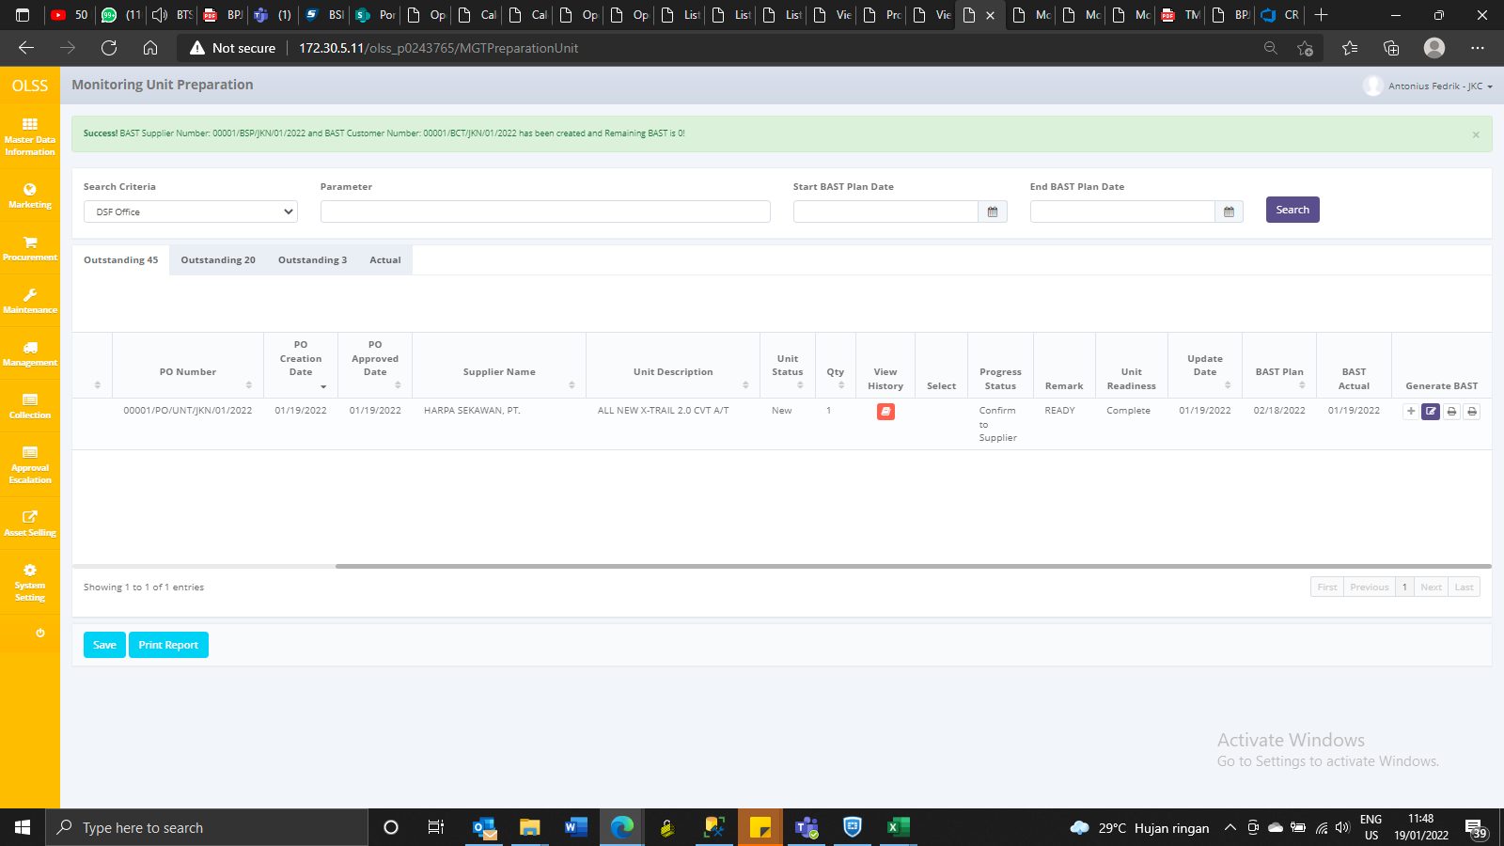

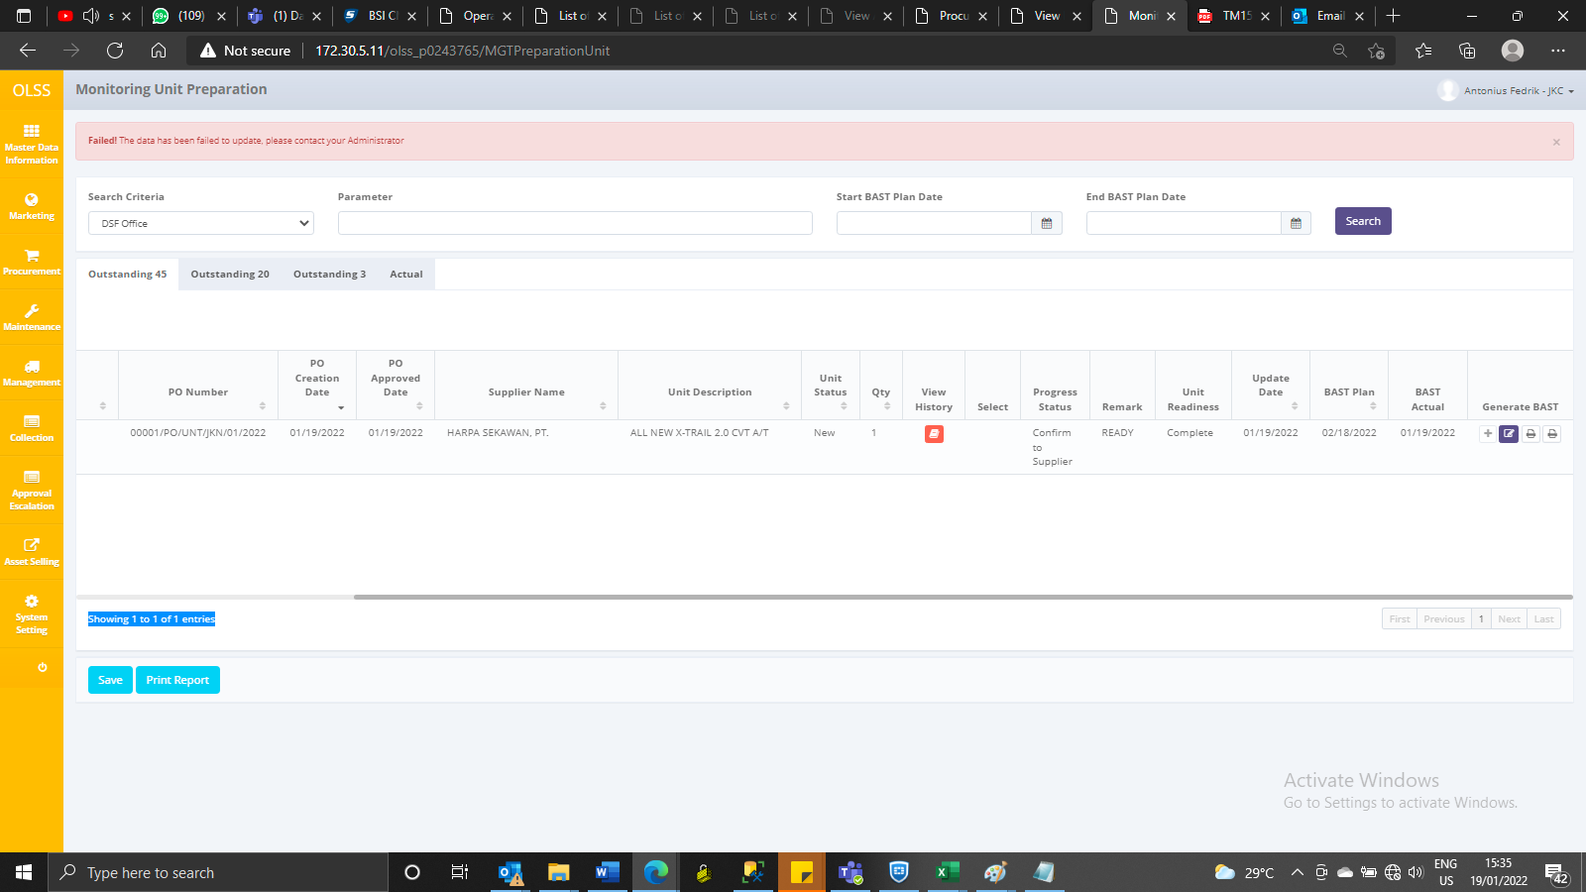
BEFORE BAST
IdTb_MGT_UnitPrep | IdTb_PRO_PODtl | IdBranch | IdOPLAgreement | IdSupplier | IdProduct | IdCustomer | PONumber | PODtlName | Qty | DeliveryPeriod | LeaseCategory | PODate | POApprovalDate | BASTPlanDate | BASTActualDate | BASTTotal | BASTRemaining | BASTStatus | IsDelete | RemarksSys | CreatedBy | CreatedDate | LastModifiedBy | LastModifiedDate
2163 | 2453 | 9 | 2691 | 2089 | 1267 | 15806 | 00001/PO/UNT/JKN/01/2022 | NISSAN 20CVTA ALL NEW X-TRAIL 2.0 CVT A/T | 1 | 30 | 95 | 2022-01-19 00:00:00 | 2022-01-19 11:27:01 | 2022-02-18 | NULL | 1 | 1 | 0 | 0 | NULL | Verdian | 2022-01-19 11:27:01 | NULL | NULL

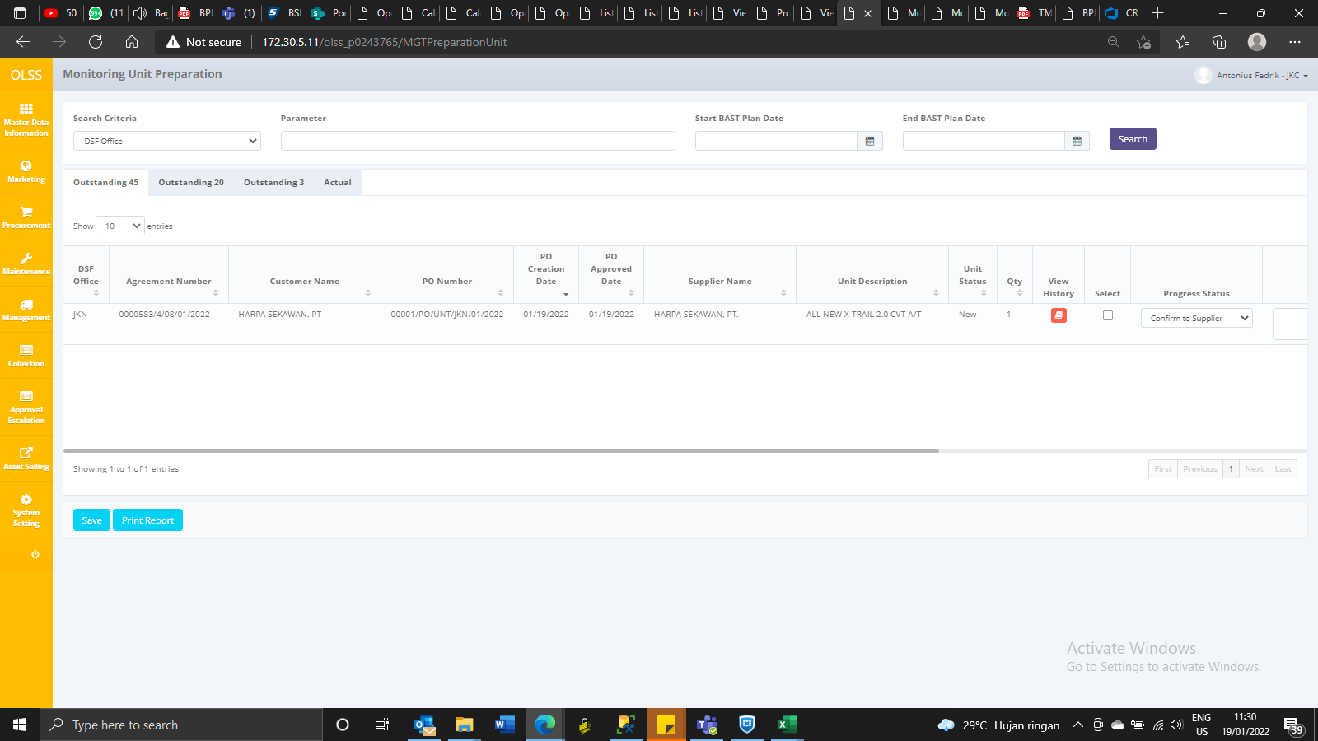

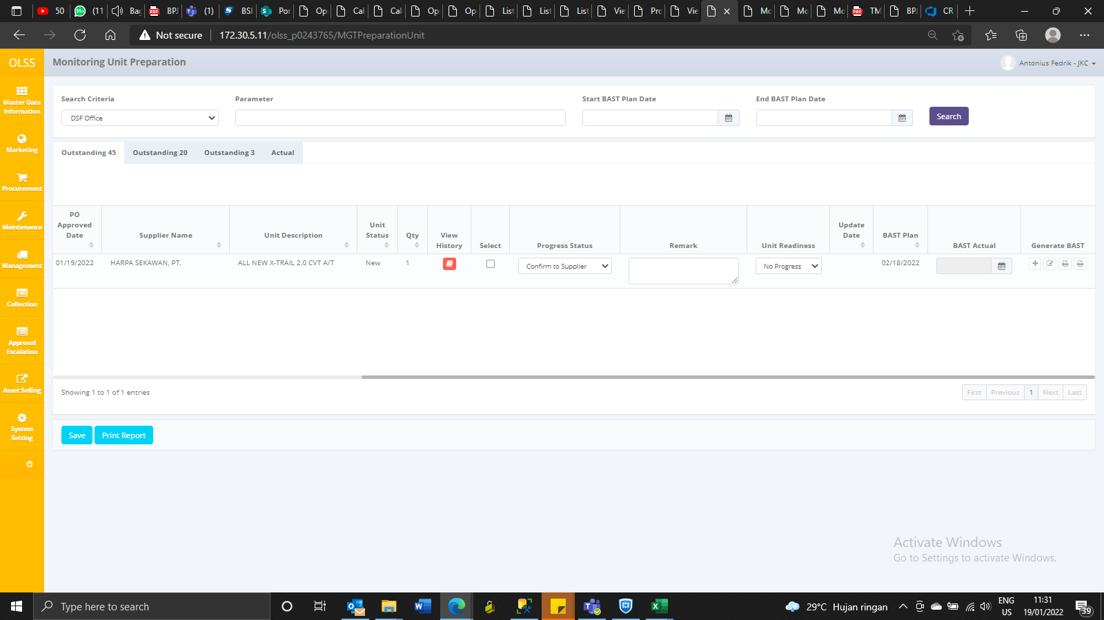

AFTER UPDATE PROGRESS BAST
IdTb_MGT_UnitPrep | IdTb_PRO_PODtl | IdBranch | IdOPLAgreement | IdSupplier | IdProduct | IdCustomer | PONumber | PODtlName | Qty | DeliveryPeriod | LeaseCategory | PODate | POApprovalDate | BASTPlanDate | BASTActualDate | BASTTotal | BASTRemaining | BASTStatus | IsDelete | RemarksSys | CreatedBy | CreatedDate | LastModifiedBy | LastModifiedDate
2163 | 2453 | 9 | 2691 | 2089 | 1267 | 15806 | 00001/PO/UNT/JKN/01/2022 | NISSAN 20CVTA ALL NEW X-TRAIL 2.0 CVT A/T | 1 | 30 | 95 | 2022-01-19 00:00:00 | 2022-01-19 11:27:01 | 2022-02-18 | NULL | 1 | 1 | 0 | 0 | NULL | Verdian | 2022-01-19 11:27:01 | Antonius Fedrik | 2022-01-19 11:32:35

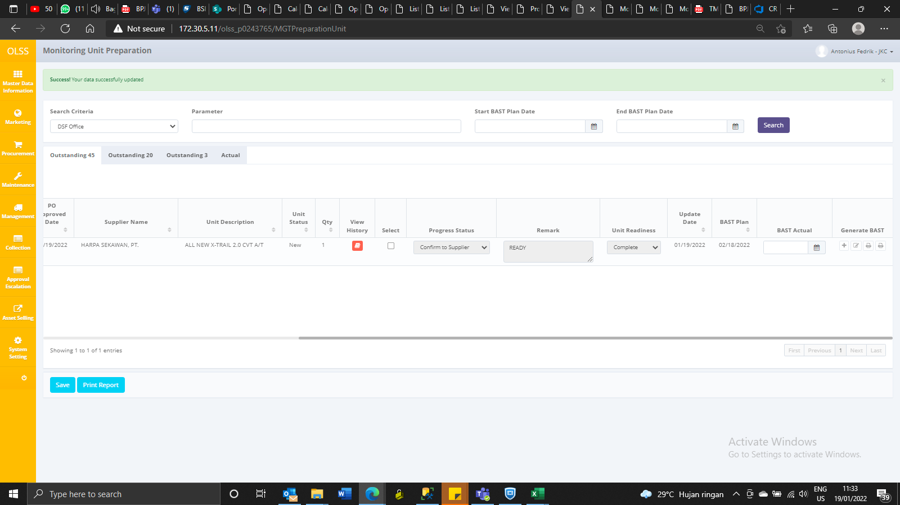

AFTER UPDATE BAST ACTUAL DATE

IdTb_MGT_UnitPrep | IdTb_PRO_PODtl | IdBranch | IdOPLAgreement | IdSupplier | IdProduct | IdCustomer | PONumber | PODtlName | Qty | DeliveryPeriod | LeaseCategory | PODate | POApprovalDate | BASTPlanDate | BASTActualDate | BASTTotal | BASTRemaining | BASTStatus | IsDelete | RemarksSys | CreatedBy | CreatedDate | LastModifiedBy | LastModifiedDate
2163 | 2453 | 9 | 2691 | 2089 | 1267 | 15806 | 00001/PO/UNT/JKN/01/2022 | NISSAN 20CVTA ALL NEW X-TRAIL 2.0 CVT A/T | 1 | 30 | 95 | 2022-01-19 00:00:00 | 2022-01-19 11:27:01 | 2022-02-18 | 2022-01-19 | 1 | 1 | 0 | 0 | NULL | Verdian | 2022-01-19 11:27:01 | Antonius Fedrik | 2022-01-19 11:34:47

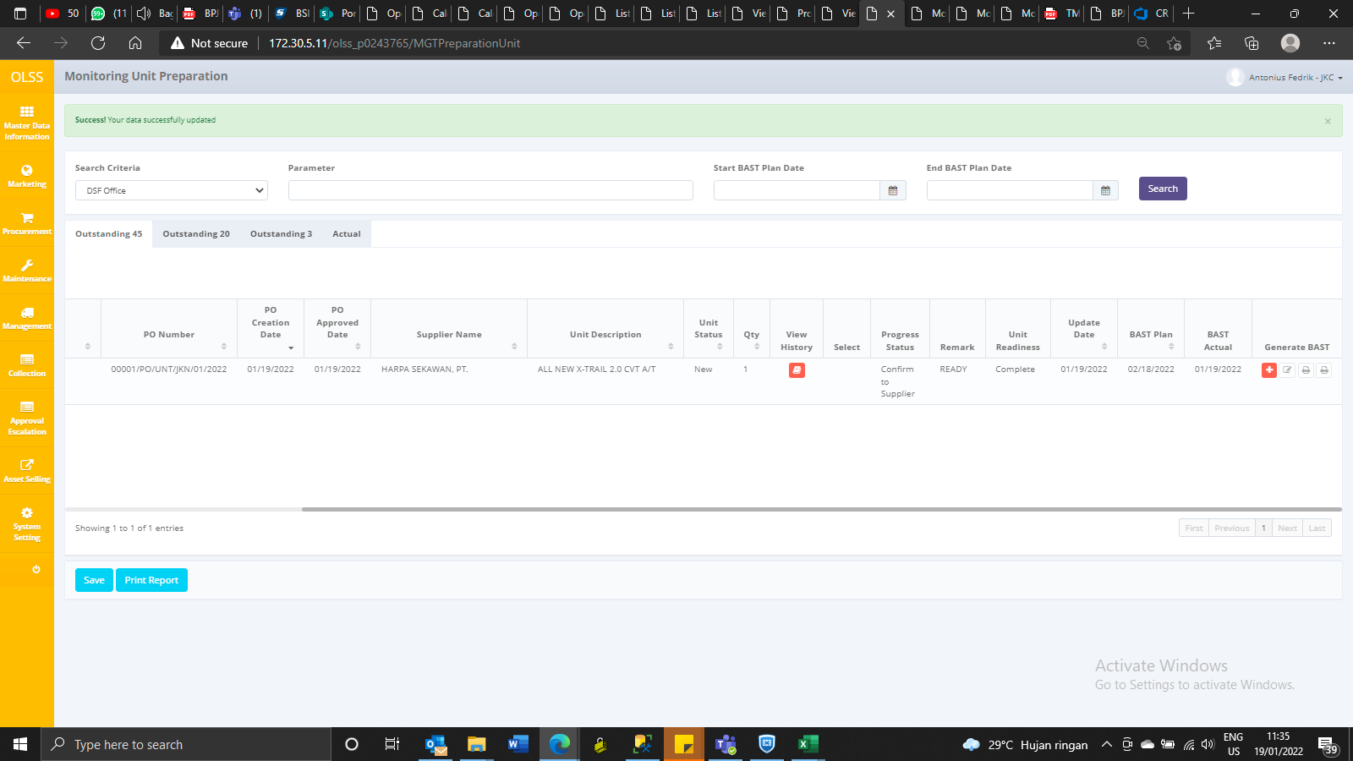

SAVE AS DRAFT BAST
BAST Supplier Number: 00001/BSP/JKN/01/2022
BAST Customer Number: 00001/BCT/JKN/01/2022

IdTb_MGT_UnitPrep | IdTb_PRO_PODtl | IdBranch | IdOPLAgreement | IdSupplier | IdProduct | IdCustomer | PONumber | PODtlName | Qty | DeliveryPeriod | LeaseCategory | PODate | POApprovalDate | BASTPlanDate | BASTActualDate | BASTTotal | BASTRemaining | BASTStatus | IsDelete | RemarksSys | CreatedBy | CreatedDate | LastModifiedBy | LastModifiedDate
2163 | 2453 | 9 | 2691 | 2089 | 1267 | 15806 | 00001/PO/UNT/JKN/01/2022 | NISSAN 20CVTA ALL NEW X-TRAIL 2.0 CVT A/T | 1 | 30 | 95 | 2022-01-19 00:00:00 | 2022-01-19 11:27:01 | 2022-02-18 | 2022-01-19 | 1 | 0 | 1 | 0 | NULL | Verdian | 2022-01-19 11:27:01 | Antonius Fedrik | 2022-01-19 11:34:47

